WMS Module
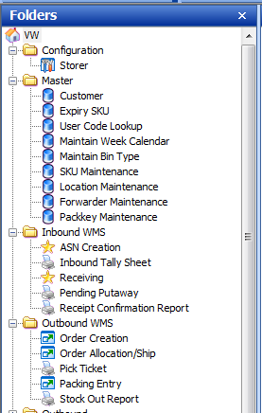
Module | Function | Description
Master | SKU Maintenance | Maintain SKU master
Master | Locaiton Maintenance | Maintain Location master
Master | Forwarder Maintenance | Maintain Forwarder Master - for outbound
Master | Packkey Maintenance | Sku packkey setup
Inbound WMS | ASN Creation | Create and Maintain Inbound ASN
Inbound WMS | Inbound Tally Sheet | Print Inbound tally sheet (ITS)
Inbound WMS | Receiving | Perform inbound receiving by ASN#
Inbound WMS | Pending Putaway | Report for Pending putaway list
Inbound WMS | Receipt Confirmation Report | Confirmation receipt by ASN
Outbound WMS | Order Creation | Create orders
Outbound WMS | Order Allocation/Ship | Perform Order allocation , pick , ship
Outbound WMS | Pick Ticket | Print Picking list
Outbound WMS | Packing Entry | process Packing by ship-to
Outbound WMS | Stock out report | Outbound Stock out report by orders
Inventory | Inventory Balance | view inventory balance
Inventory | Inventory Move | Perform inventory move
Inventory | Inventory Adjustment | Perform inventory adjustment
Inventory | Inventory Transaction | view inventory transaction history
Inventory | Inventory Transfer | Perform inventory transfer
Inventory | Inventory Attributes | Allow user to update inventory lot attributes
Cycle Count | Location Format maintenance | setup location format
Cycle Count | Cycle count entry | Generate cycle count
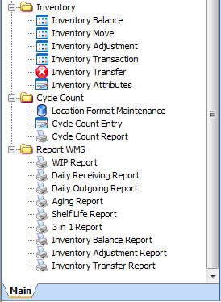
Cycle Count | Cycle count report | print cycle count report
Report WMS | WIP Report | Work in progress
Report WMS | Daily Receiving Report | Retrieve Daily Receiving Report by received date range
Report WMS | Daily Outgoing report | Daily Outgoing report by shipped date range
Report WMS | Aiging Report | Aiging Report
Report WMS | Shelf life Report | Shelf life Report
Report WMS | 3 in 1 report | 3 in 1 report - transaction history report
Report WMS | Inventory Balance Report | Inventory Balance Report
Report WMS | Inventory Adjustment Report | Inventory Adjustment Report
Report WMS | Inventory Transfer Report | Inventory Transfer Report

SKU Maintenance
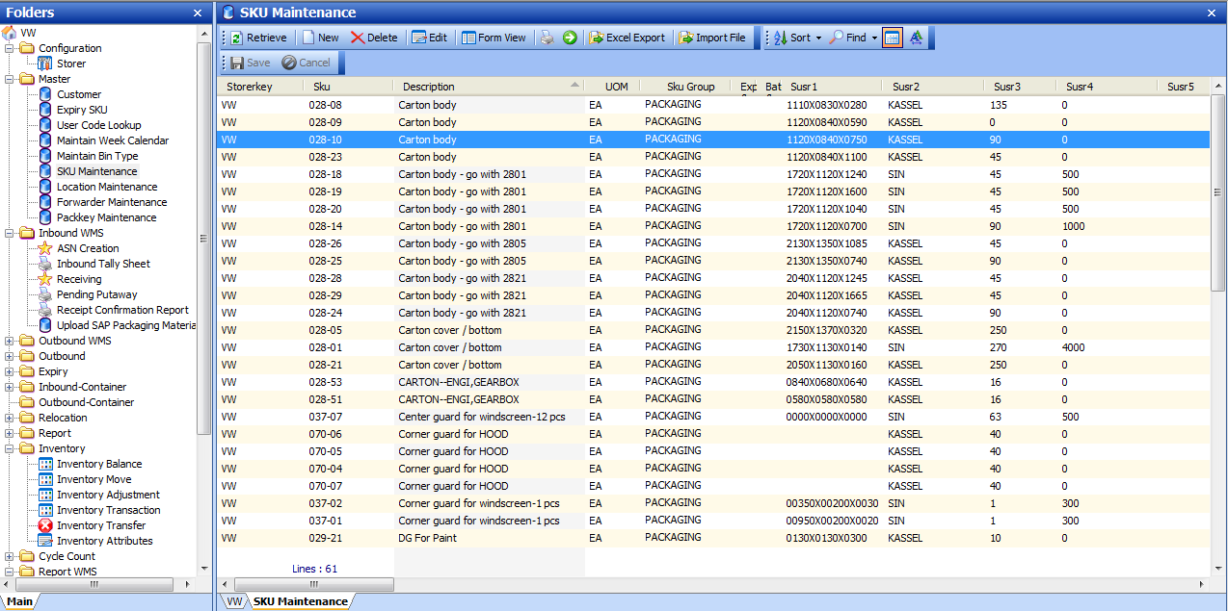

UPload SAP
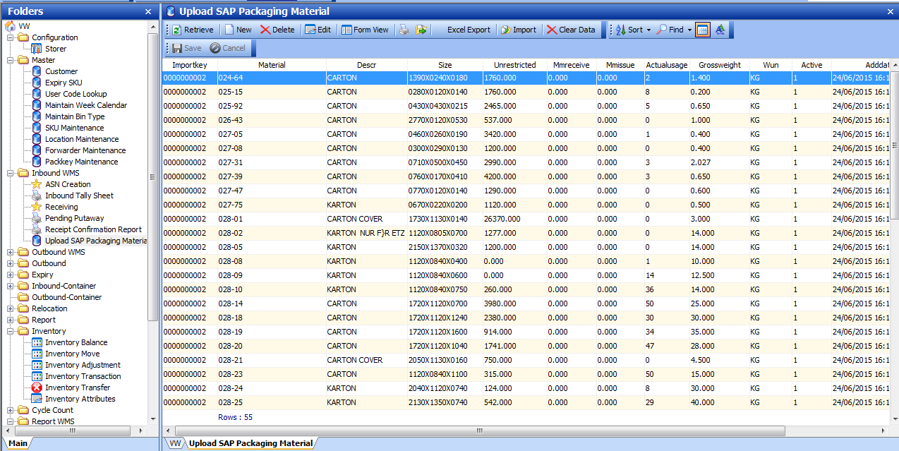

Packing Material Report
